Sheet1
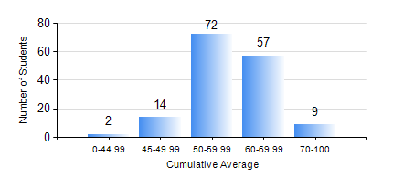
 |  |  | KWAME NKRUMAH UNIVERSITY OF SCIENCE AND TECHNOLOGY, KUMASI Department of Agricultural and Biosystems Engineering

 |  |  | BSC. AGRICULTURAL ENG.

 |  |  | COMPREHENSIVE RECORD OF EXAMINATION RESULTS

 |  |  | RESULTS OF YEAR 4 FIRST SEMESTER, 2023/2024 ACADEMIC YEAR

 | Sn | Course Code |  | Course Name | Credit Hours | Min. Mark | Max. Mark | Avg. Mark | Std. Dev. | No. Passed | No. Trailed | No. (Df) | No. (I) | No. (I*) | No. Tagged(I,I*,Df) | Total
 | 1. | AE 451 |  | IRRIGATION AND DRAINAGE | 3 | 40 | 85 | 61 | 10.99 | 154 | 0 | 0 | 0 | 0 | 0 | 154
 | 2. | AE 453 |  | ENVIRONMENTAL CONTROL AND LIVESTOCK HOUSING | 2 | 30 | 97 | 66 | 14.89 | 151 | 3 | 0 | 0 | 0 | 0 | 154
 | 3. | AE 457 |  | CROP PROCESSING | 2 | 40 | 75 | 59 | 7.03 | 154 | 0 | 0 | 0 | 0 | 0 | 154
 | 4. | AE 459 |  | ADVANCED FARM POWER AND MACHINERY | 3 | 19 | 85 | 57 | 14.06 | 147 | 7 | 0 | 0 | 0 | 0 | 154
 | 5. | AE 471 |  | FARM STRUCTURES | 3 | 40 | 85 | 61 | 10.96 | 154 | 0 | 0 | 0 | 0 | 0 | 154
 | 6. | AE 497 |  | PROJECT I | 1 | 52 | 87 | 72 | 6.03 | 154 | 0 | 0 | 0 | 0 | 0 | 154
 | 7. | AE 499 |  | VACATION TRAINING | 2 | 50 | 97 | 80 | 9.81 | 154 | 0 | 0 | 0 | 0 | 0 | 154
 | 8. | ME 491 |  | ENGINEERING ECONOMICS AND MANAGEMENT | 3 | 21 | 77 | 56 | 9.99 | 152 | 2 | 0 | 0 | 0 | 0 | 154

